Survey Distribution
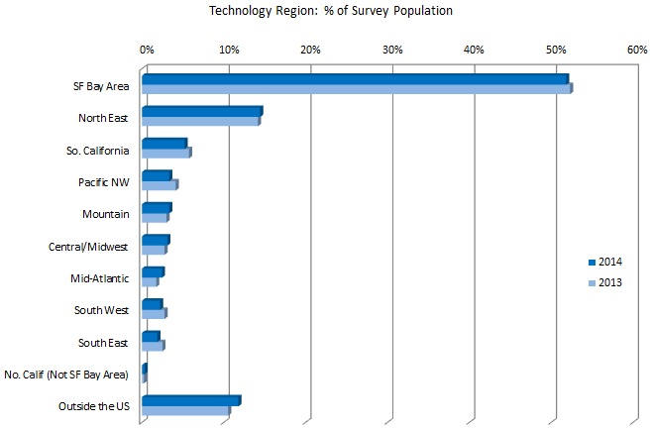
2014 Venture Capital Executive Compensation Survey
Distribution of Participating Technology Companies
 |  |  |  | Copyright © 2014 Advanced-HR, Inc. All rights reserved.
 | 2014 Region Breakdown
 | Region | Count | % Total
 | United States
 | SF Bay Area | 466 | 51.80%
 | North East | 130 | 14.50%
 | So. California | 47 | 5.20%
 | Pacific NW | 30 | 3.30%
 | Mountain | 30 | 3.30%
 | Central/Midwest | 28 | 3.10%
 | Mid-Atlantic | 22 | 2.40%
 | South West | 20 | 2.20%
 | South East | 17 | 1.90%
 | No. Calif (Not SFBA) | 3 | 0.30%
 | Outside the US
 | United Kingdom | 45 | 5.00%
 | Europe | 27 | 3.00%
 | Israel | 14 | 1.60%
 | Other Countries | 20 | 2.20%

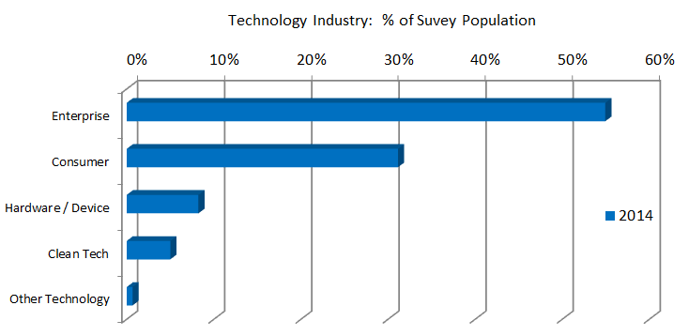

 | 2014 Industry Breakdown
 |  | Count | % Total
 | Enterprise | 494 | 54.90%
 | Consumer | 280 | 31.10%
 | Hardware / Device | 74 | 8.20%
 | Clean Tech | 45 | 5.00%
 | Other Technology | 6 | 0.70%

 | Note: Due to 2014 industry changes, there is no comparison to 2013 in the accompanying graph.

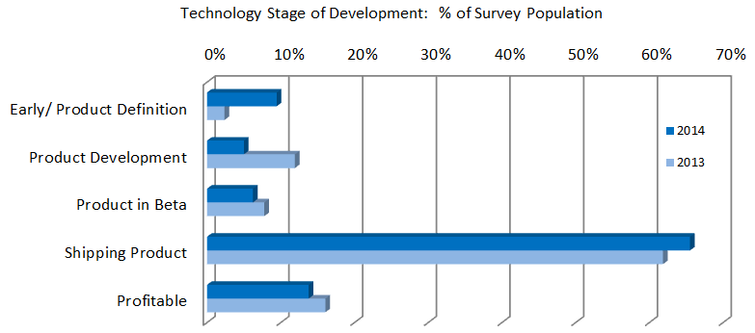

 | 2014 Development Breakdown
 |  | Count | % Total
 | Early/Product Definition | 85 | 9.50%
 | Product Development | 45 | 5.00%
 | Product in Beta | 56 | 6.20%
 | Shipping Product | 589 | 65.50%
 | Profitable | 124 | 13.80%

Definitions
2014 Venture Capital Executive Compensation Survey
Report Definitions
 |  |  | Copyright © 2014 Advanced-HR, Inc. All rights reserved.
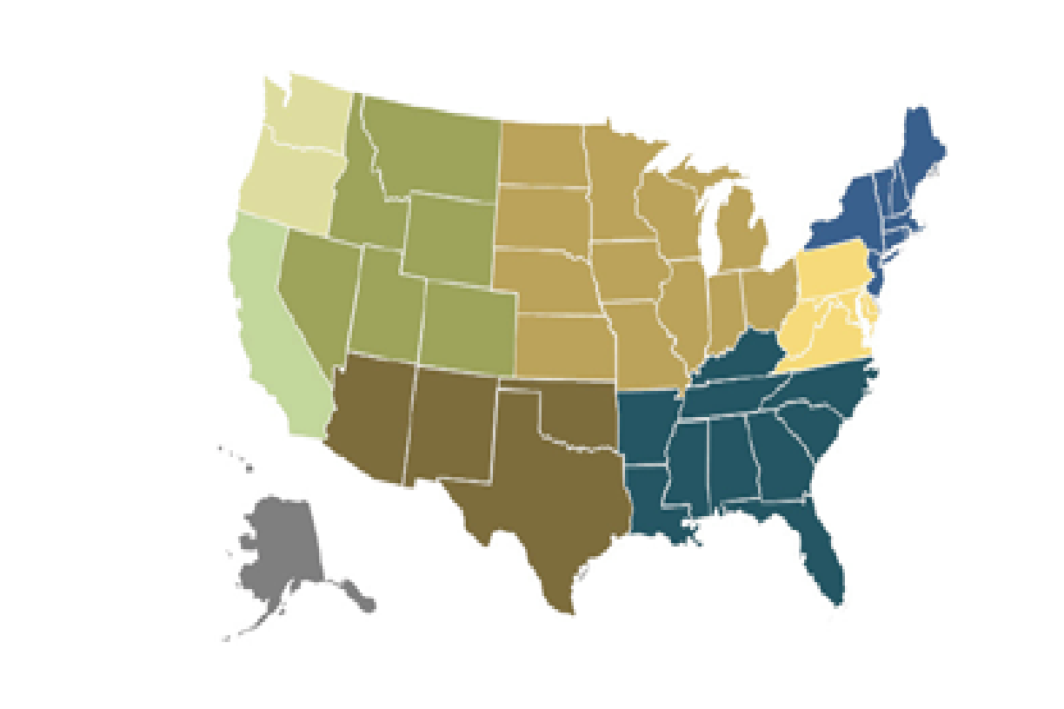
 | Region Definitions
 | SF Bay Area | Any city from San Jose north to San Rafael, Santa Cruz east to Pleasanton/Livermore or Walnut Creek/Concord
 | No. California (Not SF Area) | Any city mid-state to the north, other than those in the US - SF Bay Area
 | So. California | Any city mid-state to the south, including LA and San Diego Areas
 | Pacific NW | Oregon or Washington
 | North East | Connecticut, Maine, Massachusetts, New Hampshire, New Jersey, New York, Rhode Island, Vermont
 | Mid-Atlantic | Washington DC, Delaware, Maryland, Pennsylvania, Virginia, West Virginia
 | South East | Arkansas, Alabama, Florida, Georgia, Kentucky, Louisiana, Mississippi, North Carolina, South Carolina, Tennessee
 | Mountain | Colorado, Idaho, Montana, Nevada, Utah, Wyoming
 | South West | Arizona, New Mexico, Oklahoma, Texas
 | Central / Midwest | Iowa, Illinois, Indiana, Kansas, Michigan, Missouri, Minnesota, Nebraska, North Dakota, South Dakota, Ohio, Wisconsin
 | Other UD | Alaska or Hawaii
 | COUNTRIES OTHER THAN THE UNITED STATES: Countries are noted as such if participation warrants or a broader region to protect confidentiality if participation is minimal.

 | Industry Sector Definitions
 | Clean Tech | Energy, Renewable and other Clean Technology
 | Consumer | Products or services for purchase or use primarily by the consumer.
 | Enterprise | Products or services for purchase or use primarily by an enterprise.
 | Hardware / Device | All hardware or device products including computing, telecommunication, semiconductors and components.
 | Other Technology | Technologies which do not fit into another industry sector

 | Development Phase Definitions
 | Early/ Product Definition | Product definition or early development is the delineation of a product strategy or product plan that defines formal requirements as a basis for initiating product development based upon market requirement specifications
 | Product Development | Product development is where ideas are converted into commercially viable goods or services through defined steps and tasks such as development of engineering or scientific applications; strategy and marketing plan creation and commercialization of the new product.
 | Product in Beta | Product in beta is a period in the development of hardware, software or websites where they are tested by large groups of people who would be typical users. The product will typically be usable, although it may have fewer features available.
 | Shipping Product | Companies shipping product typically generate revenue but have not yet reached the break-even stage and sustainable profits. This phase may also include operable products for web companies that are not yet generating revenue.
 | Profitable | Profitable companies have exceeded cash flow breakeven and consistently generate revenue in excess of operating expenses

Enable Macros
ENABLE MACROS: USING THE VC EXECUTIVE COMPENSATION REPORT WITH EXCEL
Below, please find information for enabling macros in Excel for Mac 2011 or later, Excel 2010 or later and Excel 2007.
The report will not work in previous versions of Excel for Mac as these versions of Excel do not contain the filtering capabilities needed to support the report's features and use.

MAC: EXCEL 2011 or later
This is a 1-step process that you will need to undertake whenever opening the report. To enable macros that run the report calculations, click the “Enable Macros” button in the dialogue box that appears when you open the report. | 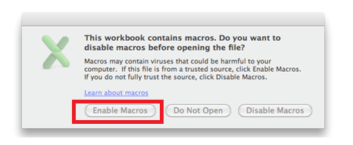

PC: EXCEL 2010 or later
This is a 1-step process that you will need to undertake whenever opening the report. To enable macros that run the report calculations, click the “Enable Content” button in the security warning box that appears after you open the report.

PC: EXCEL 2007
The process for enabling macros in Excel 2007 contains 5 steps that may be accessed by clicking: | https://support.office.com/en-ZA/Article/Enable-or-disable-macros-in-Office-documents-7b4fdd2e-174f-47e2-9611-9efe4f860b12#bm11

